1. Title Page
Instacart Grocery Basket Analysis

Project Name: Instacart Grocery Basket Analysis
Date: 3/15/2024
Analyst Name: Justin Wilson

Contents: | Source of Data: “The Instacart Online Grocery Shopping Dataset 2017”, Accessed from www.instacart.com/datasets/grocery-shopping-2017 via Kaggle on [6-2-2024].
Population Flow | Note: The prices and customer columns were fabricated for the purpose of the Data Analytics course.
Consistency checks
Wrangling steps
Column derivations
Visualizations
Recommendations

2. Population Flow
 |  |  | Title page

Population flow

Exclusion flag
Condition: max_order < 5
Obervations to be removed: 2063747
Final total count of order_products_all: 30356421

Total:

Orders_products_all
Orders_products_combined
Orders_products_merged

Total:
Total:
30356421 | 30356421 | 30356421

1.) The grey boxes in the first row of the population flow represent the original data sets as they were when you downloaded them. In the Total fields you need to add the count of the rows when you imported the data set into Jupyter.
2.) The second row of boxes (coloured) represents the data sets after you manipulated them, e.g., removed missing values and duplicates. In the Total fields you need to add the count of the rows after conducting these operations. This offers a visual oveview of how the data flows throughout the data consistency checks.
3.) The third row, where also the arrows are coloured, represents the merges you performed between the datasets. In the Total fields you need to add the count of the rows in the merged datasets, so that you end up with the final dataset (in the red box). Keep in mind the final dataset should be without exclusions (based on the exclusion flag).

3. Consistency checks
 |  |  |  | Title page
Consistency checks

Dataset | Missing values | Missing values treatment | Duplicates
orders | 206209 missing from days_since_prior_order column | None was needed. Likely because of fist time customers | 0
products | 16 missing values | Removed | 5 removed
orders_products_prior | no missing values | N/A | N/A
customers | 11259 missing in 'first_name' columns | None removed | none

4. Wrangling steps
 |  |  |  | Title page
Wrangling steps

Columns dropped | Columns renamed | Columns' type changed | Comment/Reason
eval_set' in orders |  |  | not necessary for analysis
 | order_dow' -> 'orders_day_of_week' |  | Clearer name
 |  | order_id' | Changed to String
 | df_ords 'order_hour_of_day' -> 'hour_of_order' |  | Shorter
 | user_id' -> 'User_ID' in customers |  | Clarity
 | Surnam'-> 'Last Name' in customers |  | Clarity
 | 'STATE' -> 'State', in customers |  | Clarity
 | 'date_joined' -> 'Date_Joined' in customers |  | Clarity
 | 'n_dependants' -> 'Dependants' in customers |  | Clarity
 | 'fam_status' -> 'Family_Status' in customers |  | Clarity
 | 'income' -> 'Income' in customers |  | Clarity

5. Column derivations
 |  |  |  | Title page

Column derivations and aggregations

In this tab you should add tables below that the frequences of flags/label variables that you produced after deriving them. NB: don't do this for continuous variables, only for flags.
Dataset | New column | Column/s it was derived from | Conditions
df_merged | Age Group | Age & Income | [''Age'] >= 18) & (df_merged['Age'] <= 28), 'age_group'] = 'Young Adult'
 |  |  | ['Age'] >= 29) & (df_merged['Age'] <= 40), 'age_group'] = 'Adult'
 |  |  | ['Age'] >= 41) & (df_merged['Age'] <= 55), 'age_group'] = 'Middle-Aged'
 |  |  | ['Age'] >= 56) & (df_merged['Age'] <= 70), 'age_group'] = 'Senior'
 |  |  | ['Age'] >= 71) & (df_merged['Age'] <= 82), 'age_group'] = 'Elderly'
df_merged | Region | State | ['Region'] = 'West'
 |  |  | ['State'].isin(['Maine', 'New Hampshire', 'Vermont', 'Massachusetts', 'Rhode Island', 'Connecticut', 'New York', 'Pennsylvania', 'New Jersey']), 'Region'] = 'Northeast'
 |  |  | ['State'].isin(['Delaware', 'Maryland', 'District of Columbia', 'Virginia', 'West Virginia', 'North Carolina', 'South Carolina', 'Georgia', 'Florida', 'Kentucky', 'Tennessee', 'Mississippi', 'Alabama', 'Oklahoma', 'Texas', 'Arkansas', 'Louisiana']), 'Region'] = 'South'
 |  |  | ['State'].isin(['Wisconsin', 'Michigan', 'Illinois', 'Indiana', 'Ohio', 'North Dakota', 'South Dakota', 'Nebraska', 'Kansas', 'Minnesota', 'Iowa', 'Missouri']), 'Region'] = 'Midwest'
df_merged | dependant_flag | user_id and Dependants | df_merged.groupby(['user_id'])['Dependants'].transform('mean')
df_instacart | loyalty_flag | user_id and orders | ords_prods_merge.groupby('loyalty_flag').agg({'prices' : ['mean', 'min', 'max']})

6. Visualizations
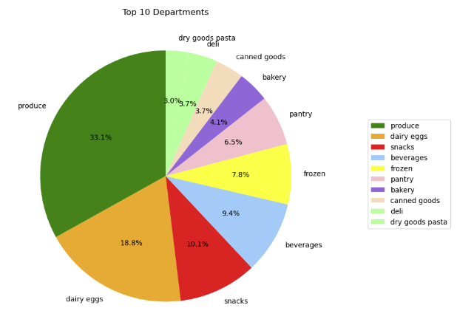
 | Title page

Visualisations

Key Questions

Recommendation: The adds team should target the times where there are less sales bu tnot neccesarily the lowest, between 5pm and Midnight would be best. Saturday and Sunday are the busiest days especially in the south. Focussing adds on Monday-Friday would boost sales throughout the week with a higher focus in the Midwest and Northeast.
● The sales team needs to know what the busiest days of the week and hours of the day are (i.e., the days and times with the most orders) in order to schedule ads at times when there are fewer orders.

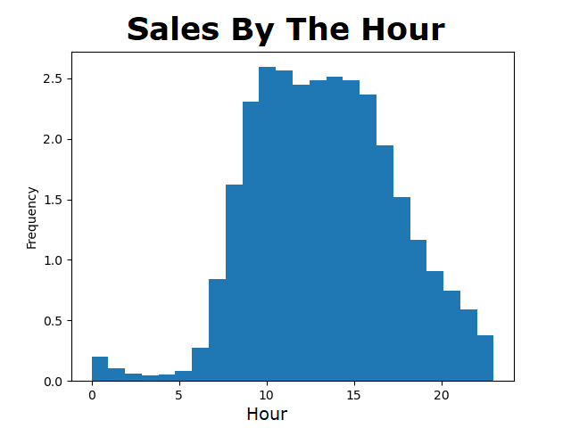
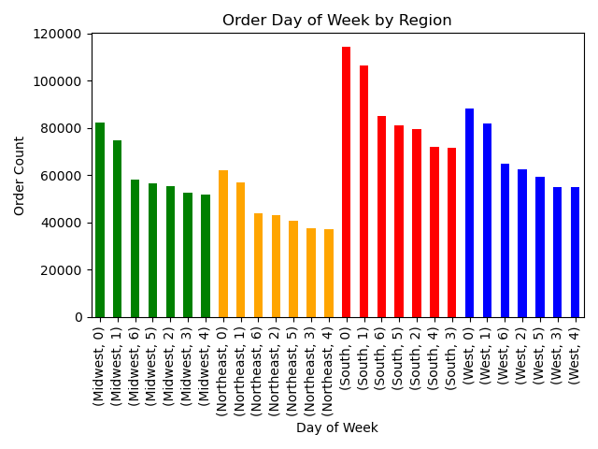

● They also want to know whether there are particular times of the day when people spend the most money, as this might inform the type of products they advertise at these times.
Recomendation: Prices per hour are highest around 4-6 a.m. After this time there is a major drop until 10 a.m. when we can see a steady climb up until aproximatley 8 p.m. when it slightly dips again. The lack of business's open at these hours could be the main reason for these sales.
In addition the weekends are, again, the top times for sales.

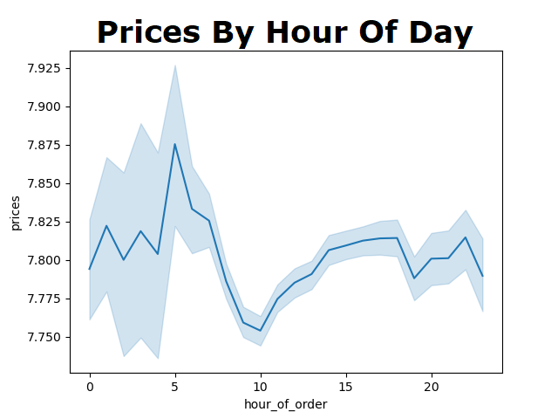
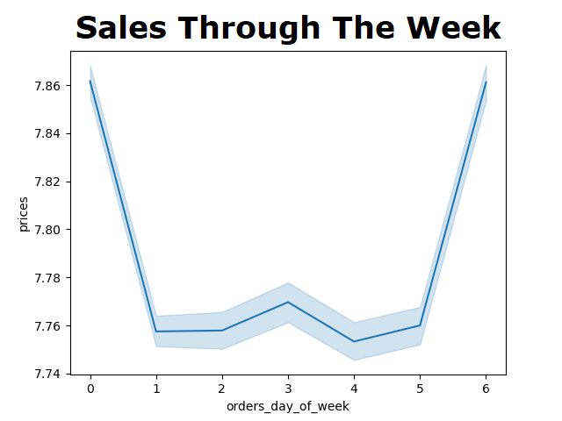

● The marketing and sales teams are particularly interested in the different types of customers in their system and how their ordering behaviors differ.

For example:

○ What’s the distribution among users in regards to their brand loyalty (i.e., how often do they return to Instacart)?
Recomendations: Most of the customers using Instacart are new users. I would recomend target advertising to users that have placed orders before. Offering a returning customer discount with a promo code could bring them back more often.
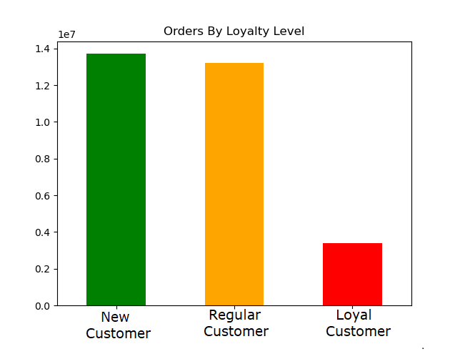

○ Are there differences in ordering habits based on a customer’s loyalty status?
Recomendations: Produce and Dairy'eggs are the most popular across all loyalty levels espessially New and Regular. To get a boost in sales from Loyal Customers I'd offer a 5-10% off promo to any user with a Loyal Status.

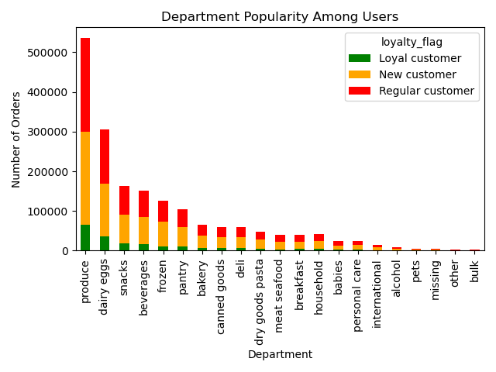

Recomendations: The South and The West are buying more Produce and Dairy eggs than the Midwest and Northeast. Coulkd be due to climate in these regions creating a higher demand. A slight price adjustment in the Midwest and Northeast could increase sales in these regions
○ Are there differences in ordering habits based on a customer’s region?

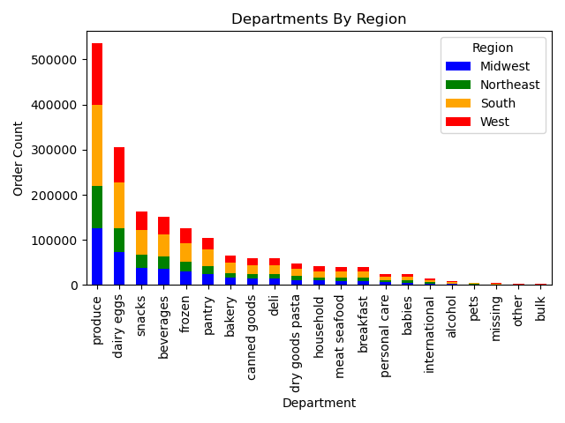

○ Is there a connection between age and family status in terms of ordering habits?
Recomendations: Most customers are middle to high income with dependants from every age group. I'd recomend pushing sales in departments that may be needed by young families such as babies , household, and pets.
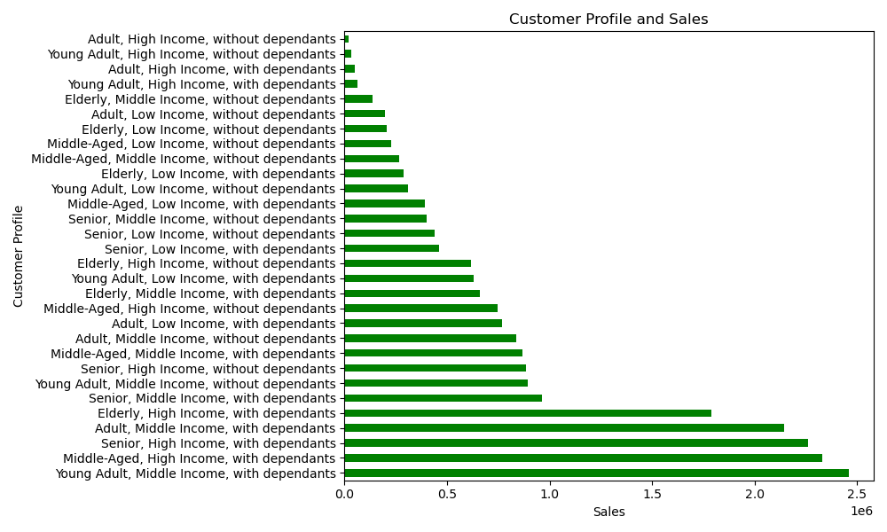

○ What different classifications does the demographic information suggest? Age? Income? Certain types of goods? Family status?
Recomendations: Regardless of region it's clear to see that there are more users making around 180k and less with $2000 worth of expenses per month. Targeting the higher income users to bring them in a more regular basis could increase their usage. Possibly by pushing higher end products such as organic produce and deli options.

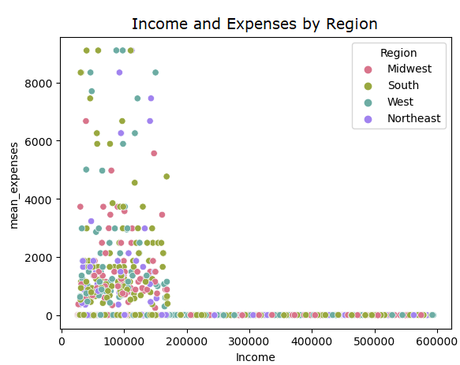

○ What differences can you find in ordering habits of different customer profiles? Consider the price of orders, the frequency of orders, the products customers are ordering, and anything else you can think of.
Recomendations: The highest amount of sales within an average 24 hour day come from Low income young adults and adults with no dependants, most commonly in the early morning hours. This could be college students that are either studying or socializing into the wee hours of the morning and need late night party supplies or brain food/stimulants when most markets would be closed. Offering instacart as a late night shopping option for pharmaceutical and household needs could boost the sales in senior and elderly users.

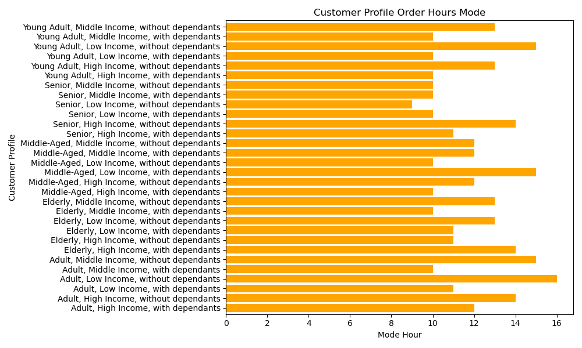

● Instacart has a lot of products with different price tags. Marketing and sales want to use simpler price range groupings to help direct their efforts

Recomendations: Istacart has mostly mid-range products which would apeal more to users with an income bellow 200k anually. Increasing the amount of high-range products could bring in more users with a higher income as well as returning user's that make over 200k.



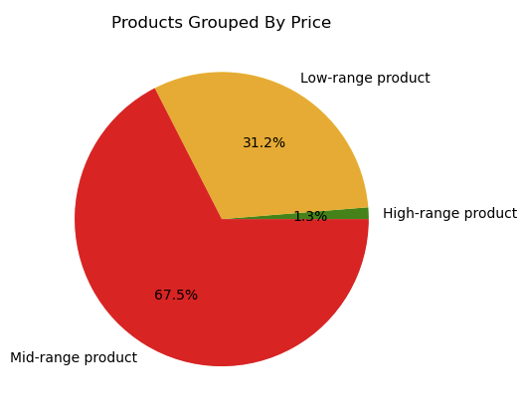

● Are there certain types of products that are more popular than others? The marketing and sales teams want to know which departments have the highest frequency of product orders.

Recomendations: The top 5 departments are produce, dairy/eggs, snacks, beverages, and frozen. To increase sales in other departments I recomend advertising more in the pantry, bakery, canned goods, deli, and dry goods departments. These are also pretty decent sellers and with a little more of an advertising push in these departments it could drive up sales overall.

7. Recommendations
 |  | Title page

Recommendations

In this tab you should include any recommendations you would made to Instcart in terms of their marketing strategy based on the questions posed in the brief. Every key question has been covered in the Tasks of the Exercises - here you need to add an item - a visualisation or table/crosstable that is showing the answer in the data, acompanied by a comment from you. Please, list the questions below and add the answer underneath.

Question | Answer
Key Question 1
Key Question 2
Key Question 3
Key Question 4
Key Question 5
Key Question 6
Key Question 7

